Use Case
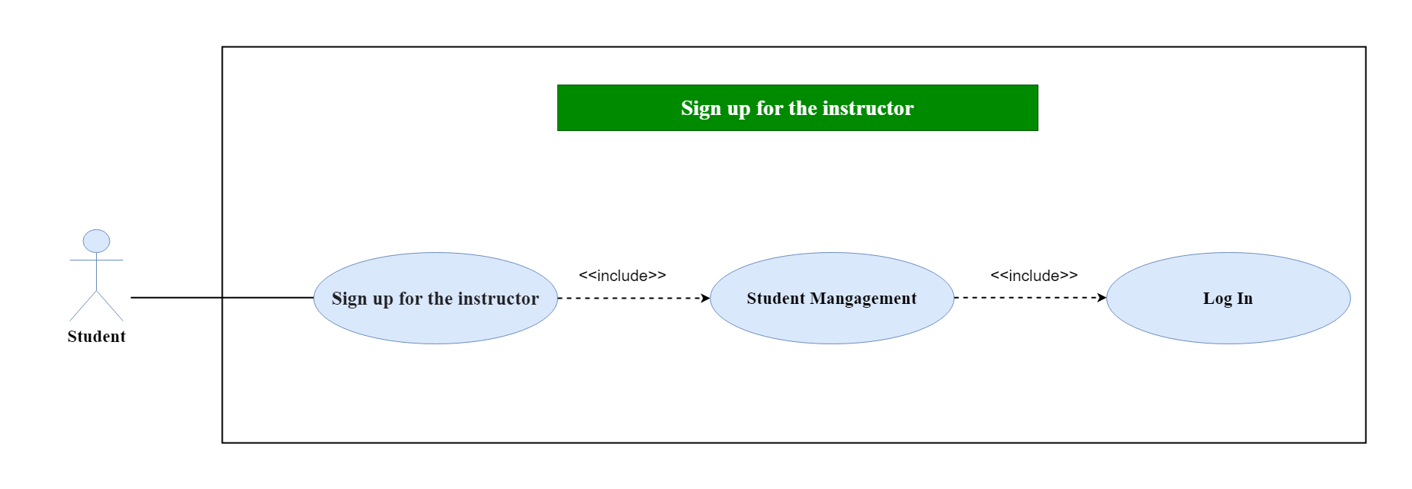
6.9.4. Đăng ký giáo viên hướng dẫn

Class Diagram
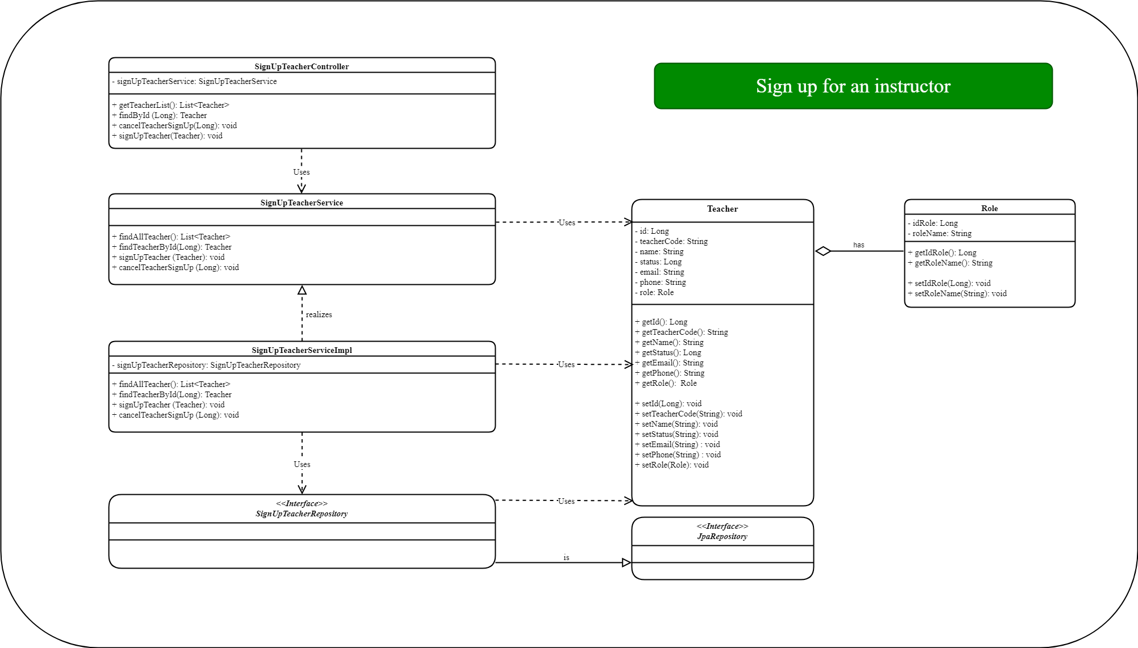
6.9.4. Đăng ký giáo viên hướng dẫn

